H.exesa
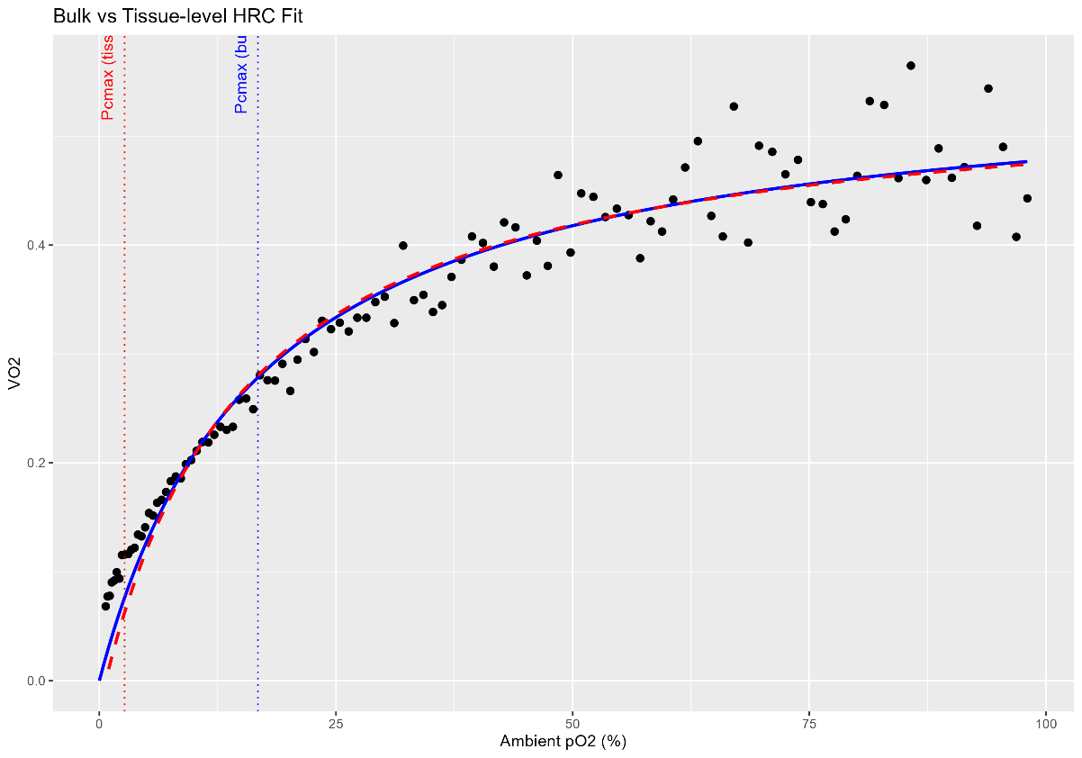
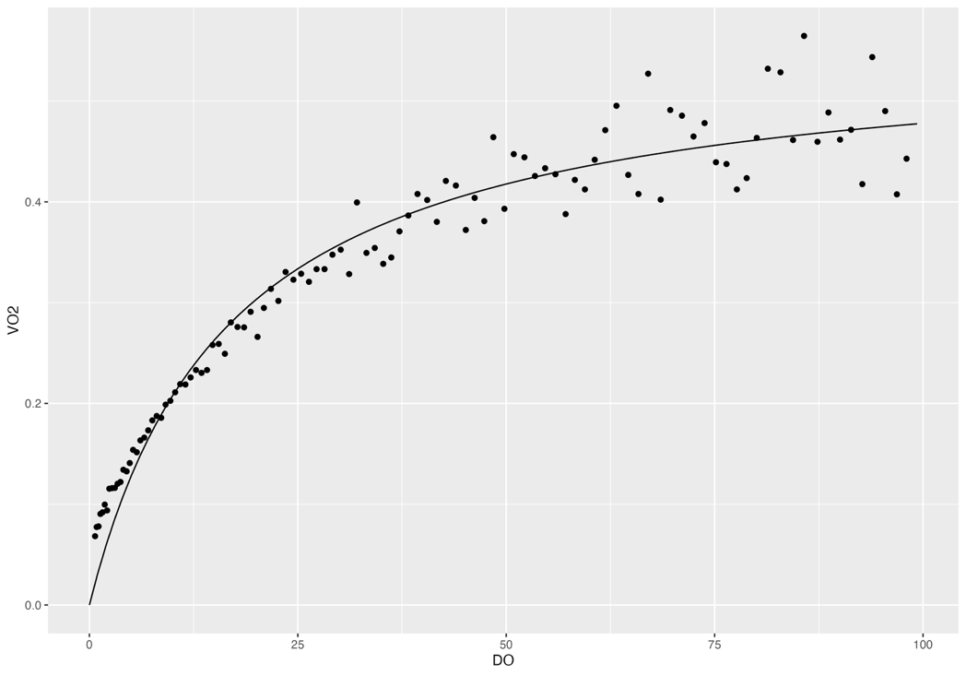
 | Original bulk HRC fits with Michaelis-Menten | Tpos | relative |  | Re-fit HRC analysis for tissue-level | Tpos | Tissue O2
 |  | Rep 1 | 0.6035296 |  |  | Rep 1 | 1.47715
 |  | Rep 2 | 0.6142876 |  |  | Rep 2 | 1.519021
Rep 1 |  | Rep 3 | 0.6048412 |  |  | Rep 3 | 1.503024
 |  | Rep 4 | 0.3874507 |  |  | Rep 4 | 0.9534588
 |  | Rep 5 | 0.4790502 |  |  | Rep 5 | 1.377508
 |  | Rep 6 | 0.5573908 |  |  | Rep 6 | 1.499629
 |  | Rep 7 | 0.4131538 |  |  | Rep 7 | 0.9658473

 |  | Average | 0.52 | relative |  | Average | 1.33 | relative
 |  | SD | 0.10 |  |  | SD | 0.26
 |  | SE | 0.04 |  |  | SE | 0.10

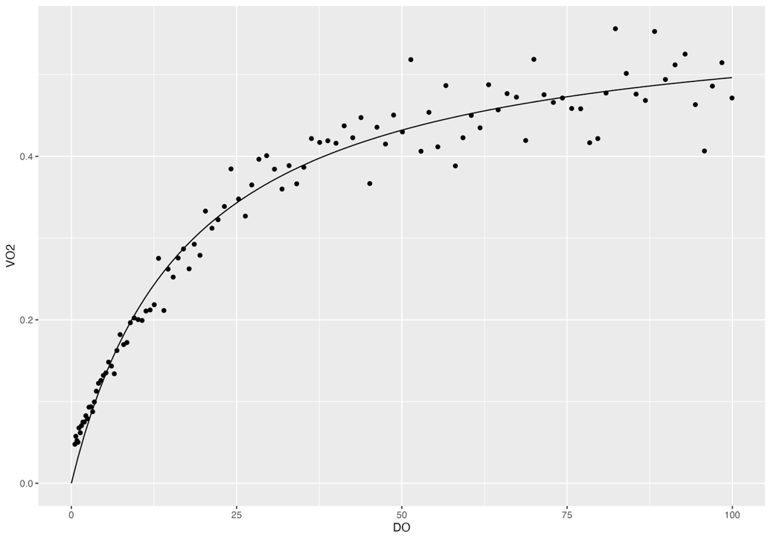
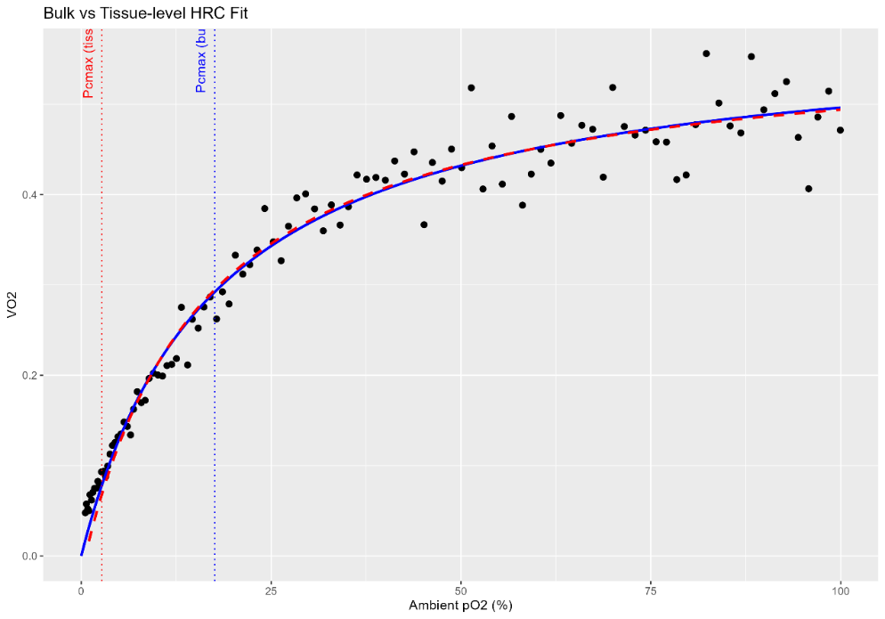
 |  | Pcmax | % air sat |  |  | Pcmax | TissueO2
Rep 2 |  | Rep 1 | 16.96429 |  |  | Rep 1 | 2.669965
 |  | Rep 2 | 17.57809 |  |  | Rep 2 | 2.726493
 |  | Rep 3 | 17.99729 |  |  | Rep 3 | 2.79581
 |  | Rep 4 | 16.97523 |  |  | Rep 4 | 2.707257
 |  | Rep 5 | 26.62811 |  |  | Rep 5 | 4.257974
 |  | Rep 6 | 22.34894 |  |  | Rep 6 | 3.622398
 |  | Rep 7 | 14.52973 |  |  | Rep 7 | 2.320967

 |  | Average | 19.00 | % air sat |  | Average | 3.01 | % air sat
 |  | SD | 4.10 |  |  | SD | 0.68
 |  | SE | 1.55 |  |  | SE | 0.26

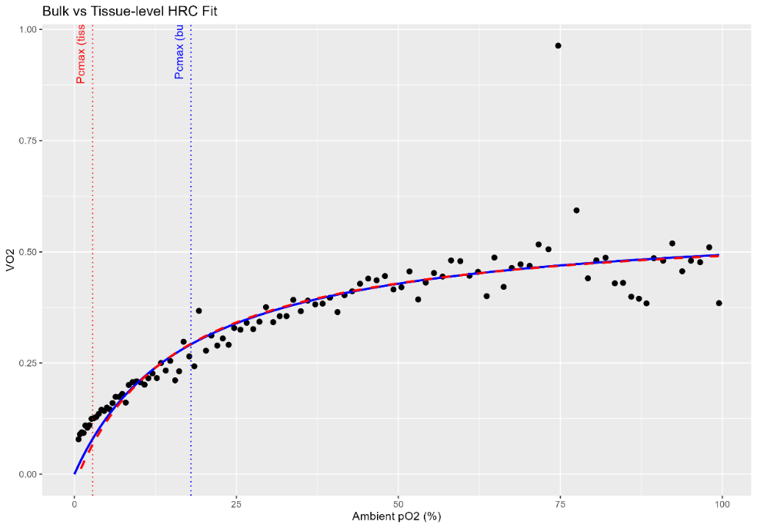
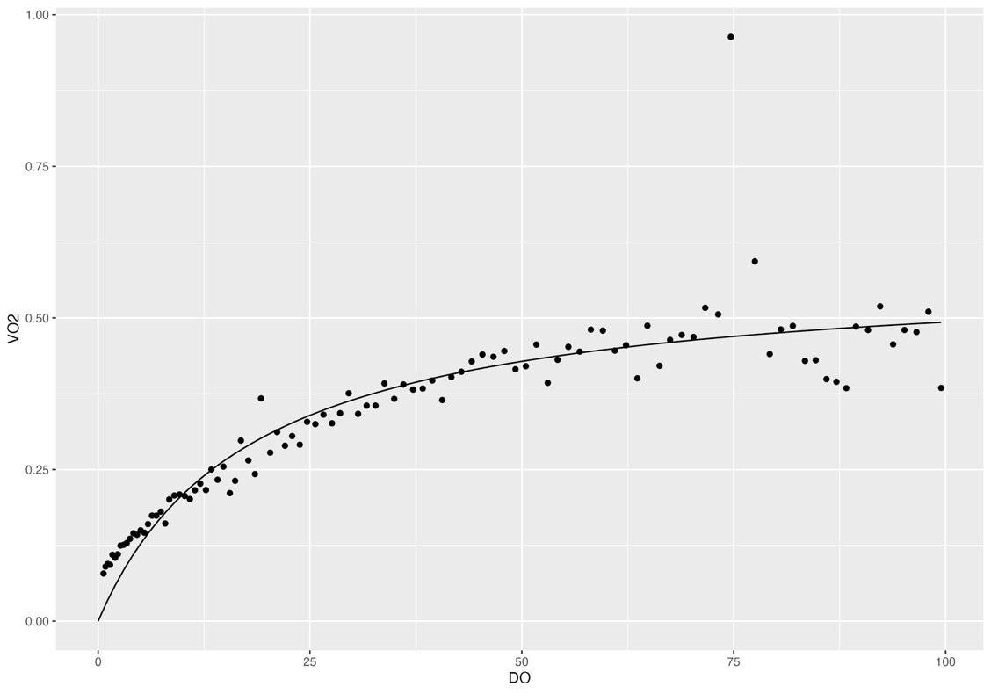
Rep 3

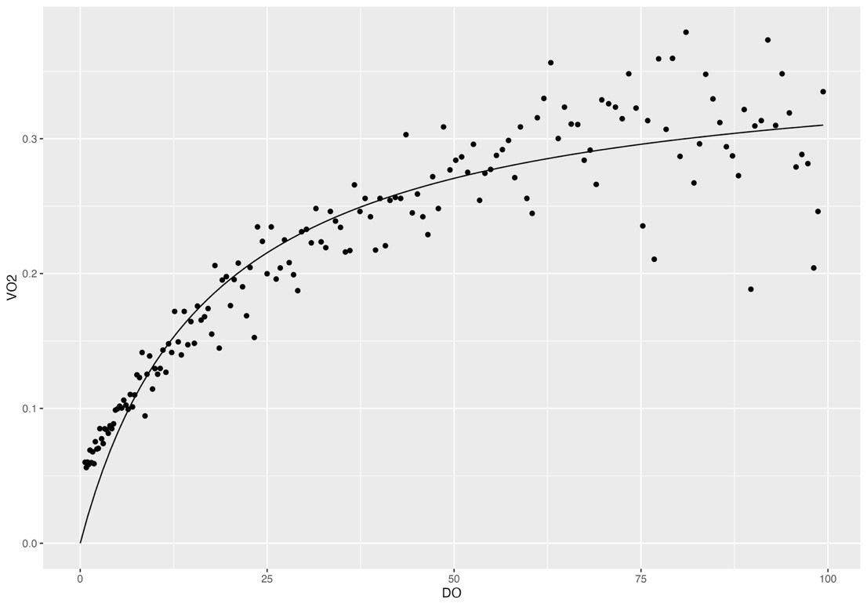
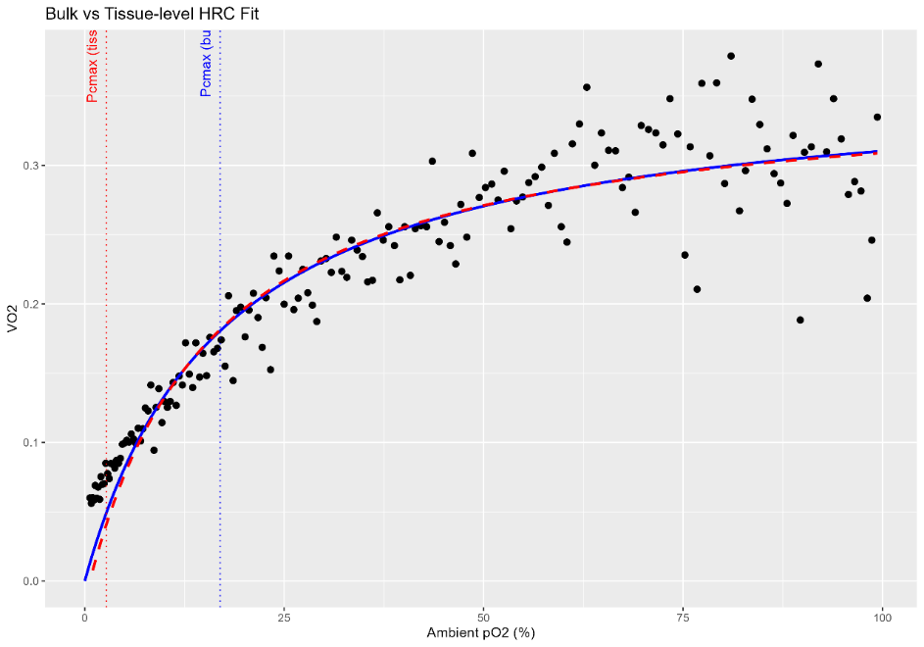
Rep 4

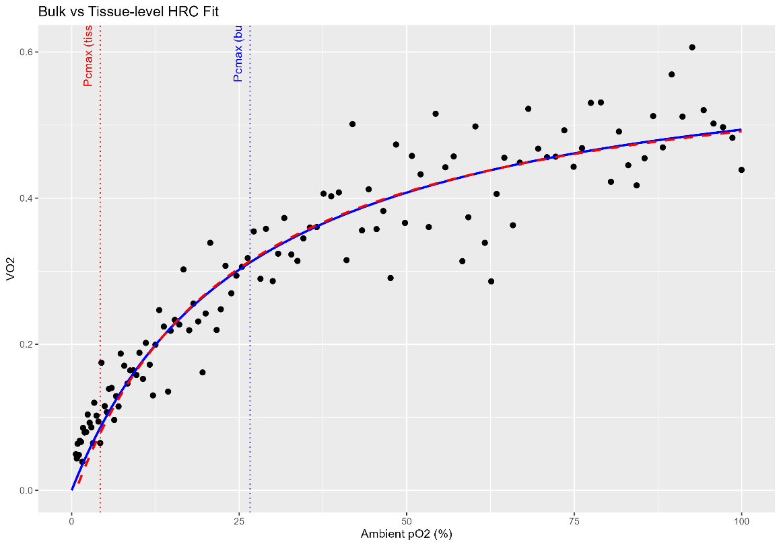
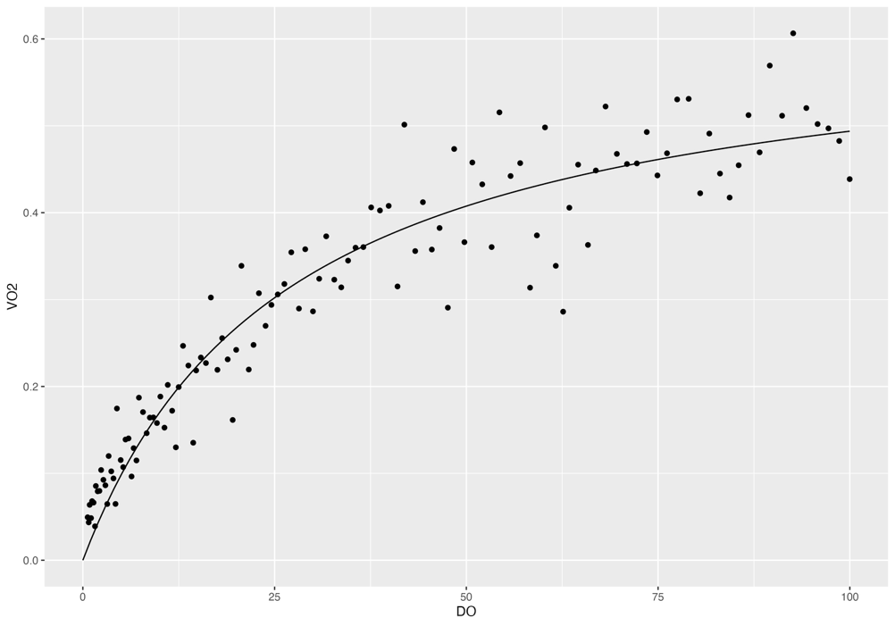
Rep 5

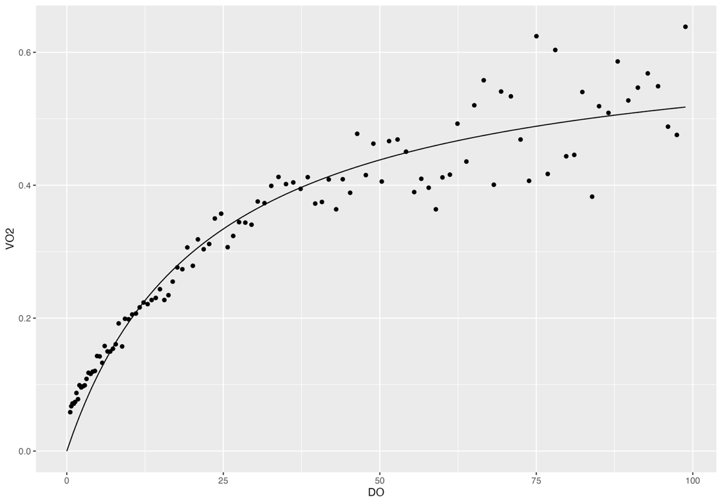
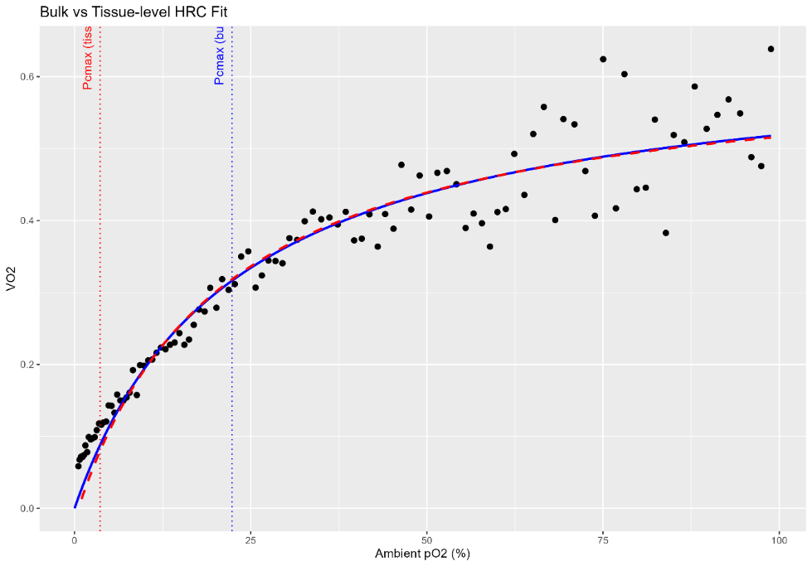
Rep 6

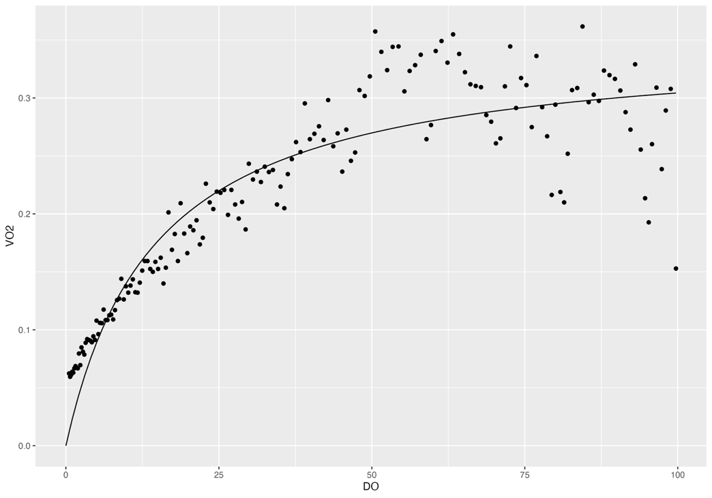
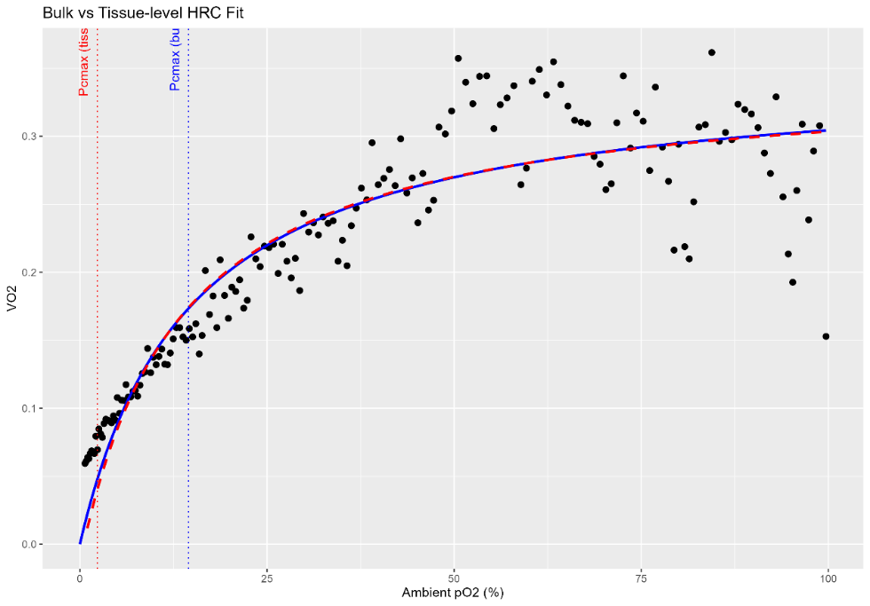
Rep 7

H.rigida
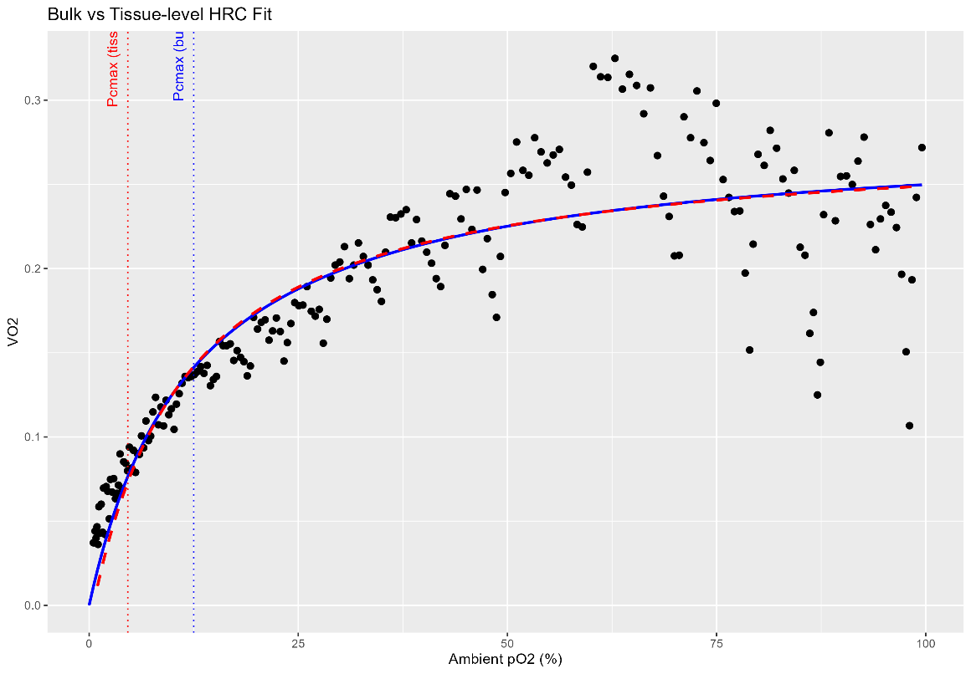
 | Original bulk HRC fits with Michaelis-Menten | Tpos | relative |  | Re-fit HRC analysis for tissue-level | Tpos | Tissue O2
 |  | Rep 1 | 0.3701578 |  |  | Rep 1 | 0.5997377
 |  | Rep 2 | 0.7081212 |  |  | Rep 2 | 0.9772485
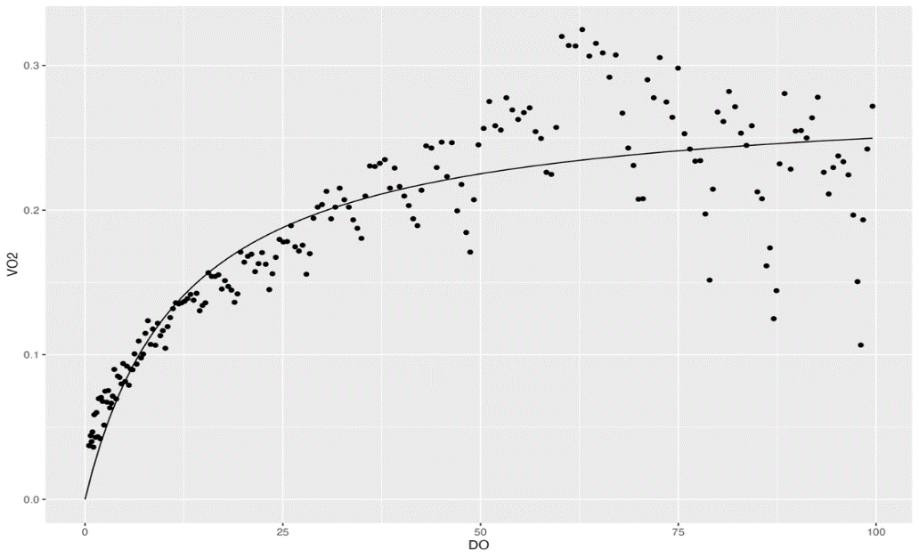
Rep 1 |  | Rep 3 | 0.6633605 |  |  | Rep 3 | 0.9647986
 |  | Rep 4 | 0.5247239 |  |  | Rep 4 | 0.8382996
 |  | Rep 5 | 0.5489492 |  |  | Rep 5 | 0.7609524
 |  | Rep 6 | 0.5592448 |  |  | Rep 6 | 0.7981312
 |  | Rep 7 | 0.2581292 |  |  | Rep 7 | 0.5752539

 |  | Average | 0.52 | relative |  | Average | 0.79 | relative
 |  | SD | 0.16 |  |  | SD | 0.16
 |  | SE | 0.06 |  |  | SE | 0.06

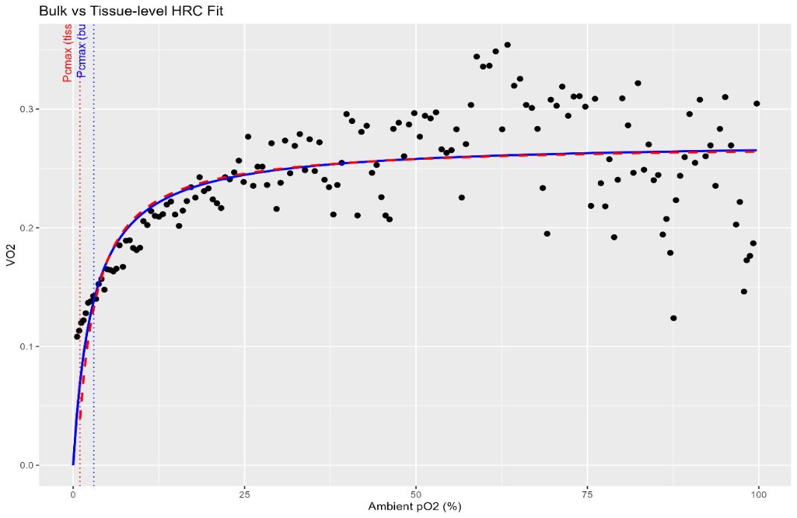
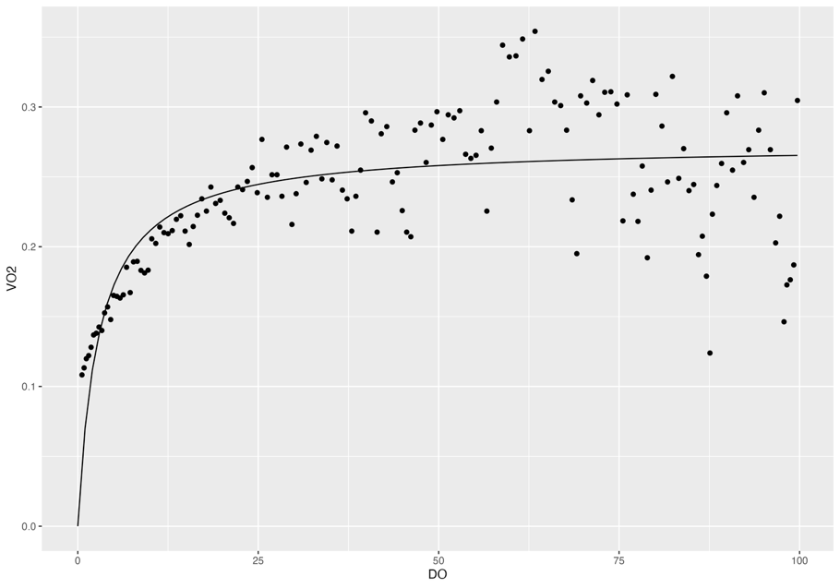
 |  | Pcmax | % air sat |  |  | Pcmax | TissueO2
Rep 2 |  | Rep 1 | 12.50578 |  |  | Rep 1 | 4.621347
 |  | Rep 2 | 3.006302 |  |  | Rep 2 | 1.00556
 |  | Rep 3 | 5.502487 |  |  | Rep 3 | 1.900228
 |  | Rep 4 | 10.97678 |  |  | Rep 4 | 4.086836
 |  | Rep 5 | 3.003648 |  |  | Rep 5 | 0.8810542
 |  | Rep 6 | 4.518226 |  |  | Rep 6 | 1.482826
 |  | Rep 7 | 19.59603 |  |  | Rep 7 | 3.109271

 |  | Average | 8.44 | % air sat |  | Average | 2.44 | % air sat
 |  | SD | 6.20 |  |  | SD | 1.51
 |  | SE | 2.34 |  |  | SE | 0.57

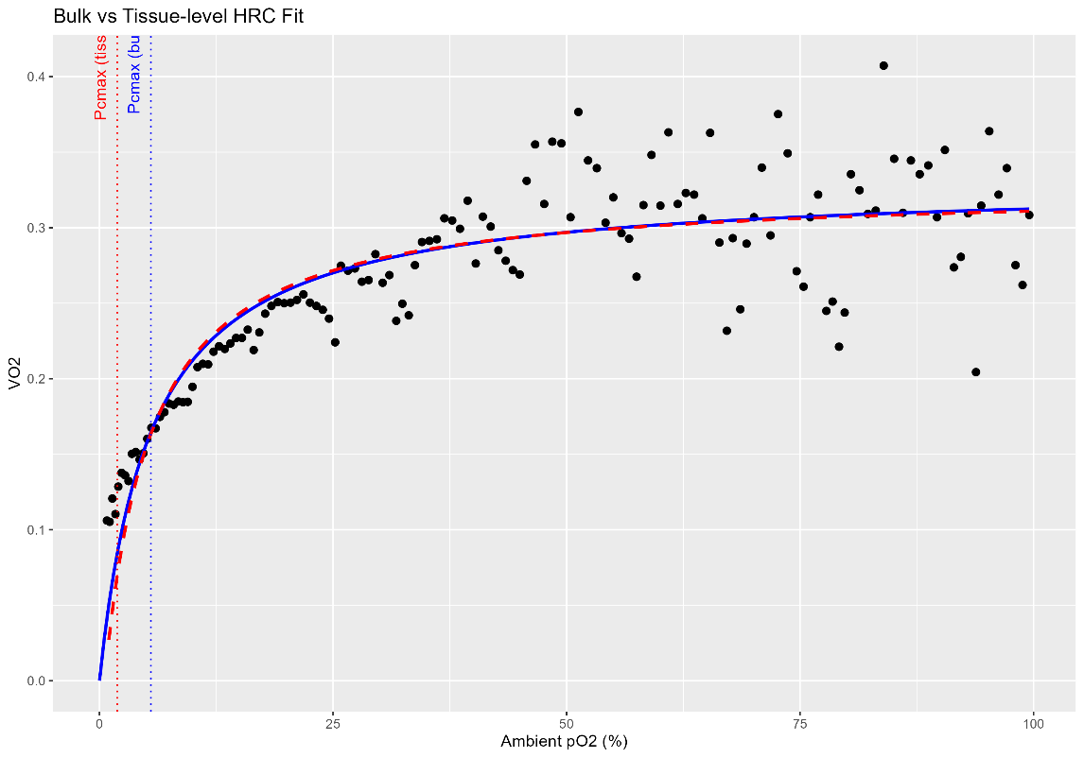

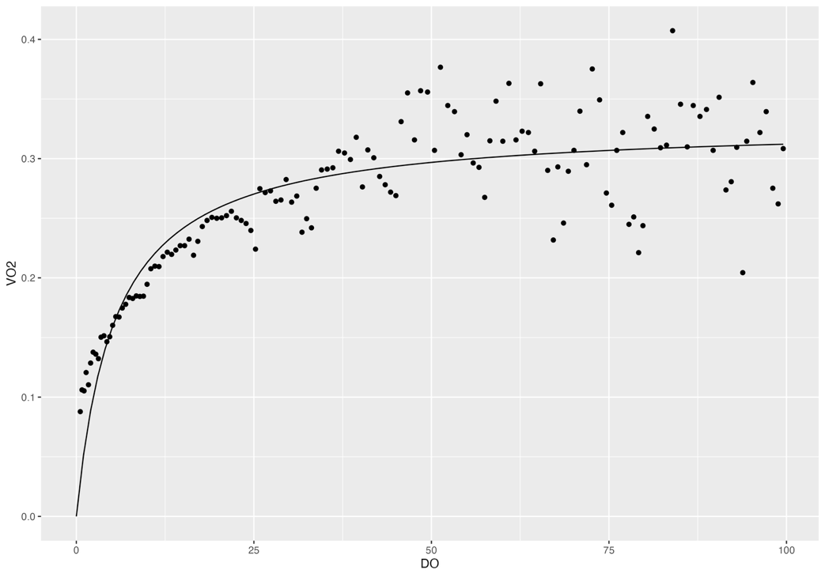
Rep 3

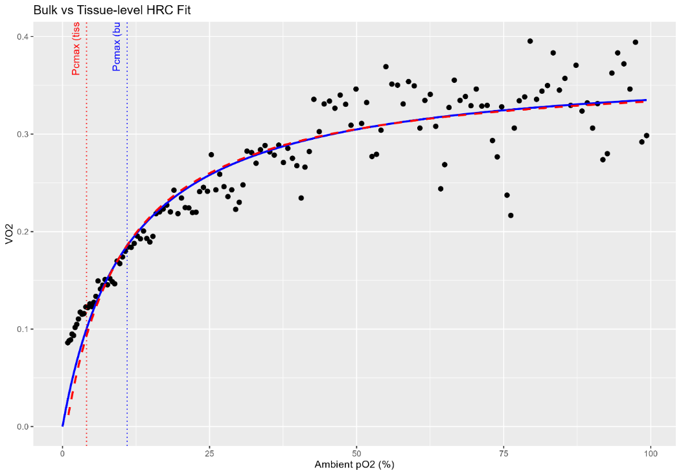

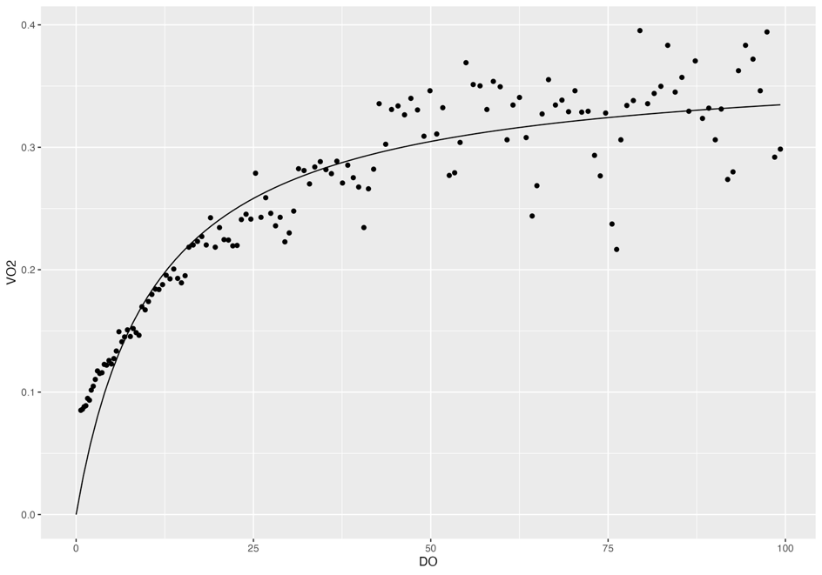
Rep 4

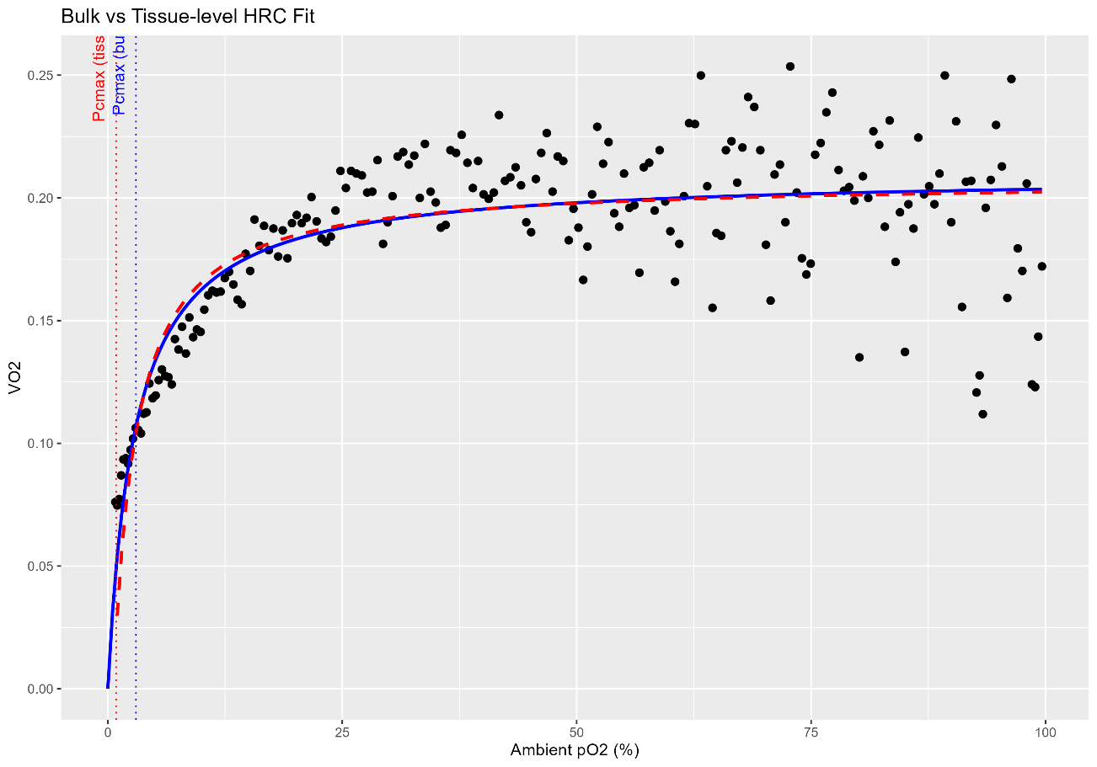
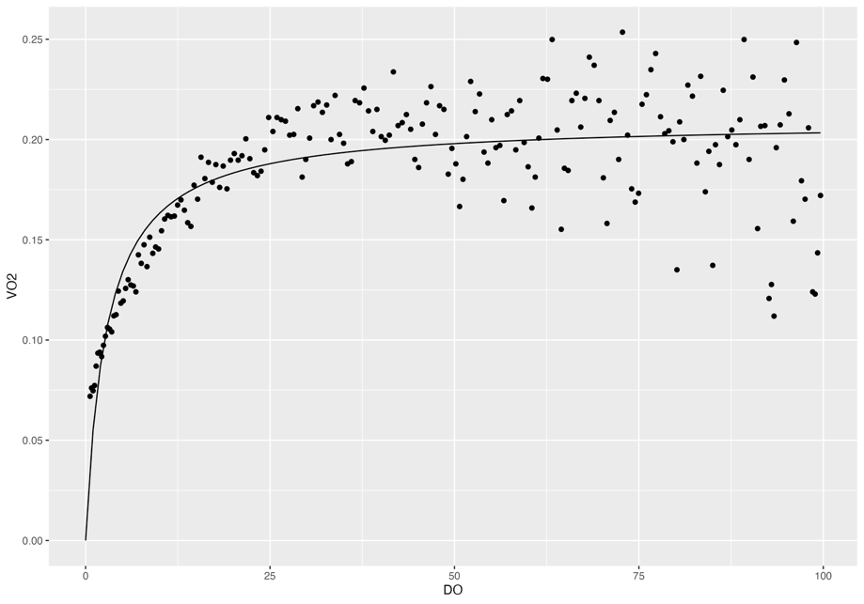
Rep 5

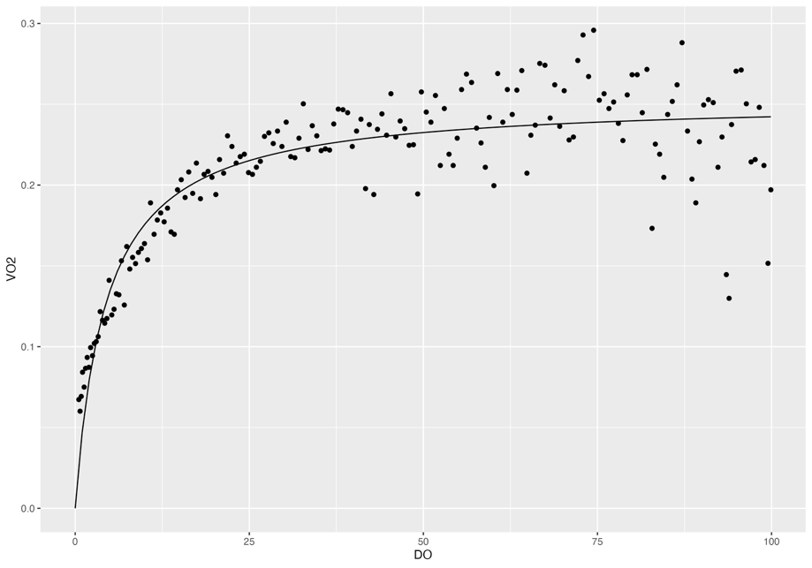
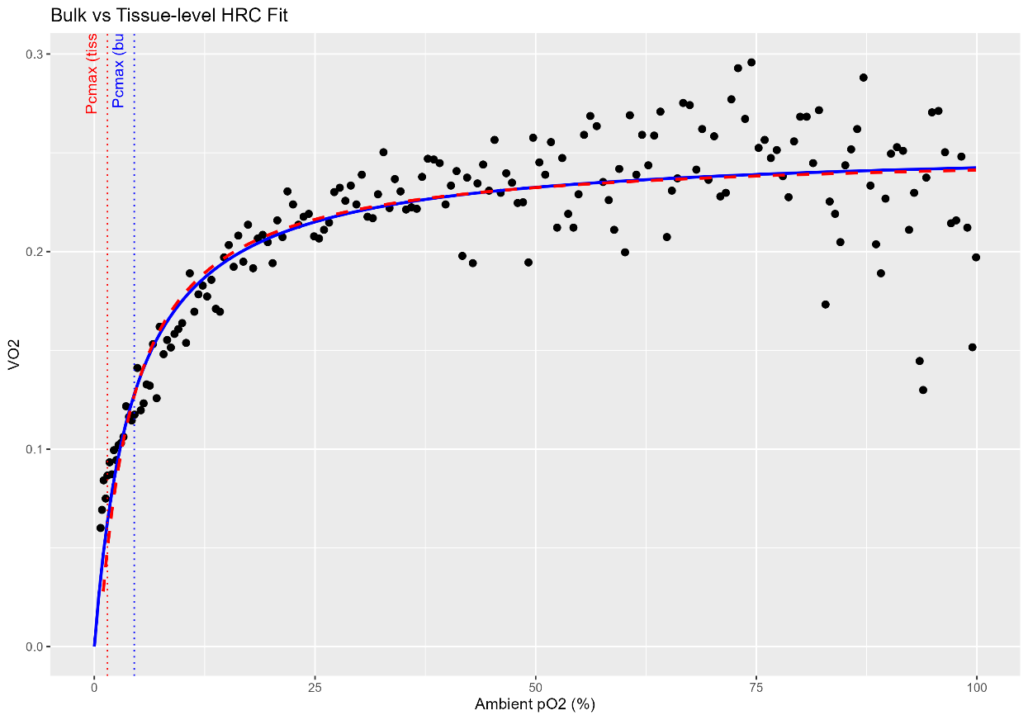
Rep 6

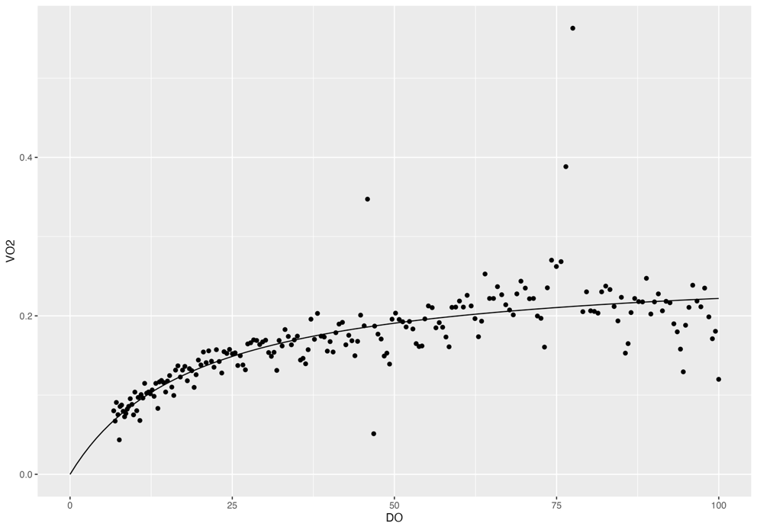
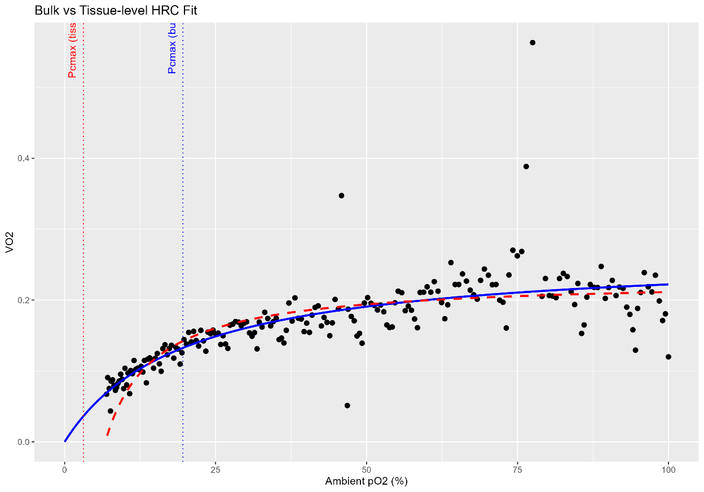
Rep 7

M.digitata
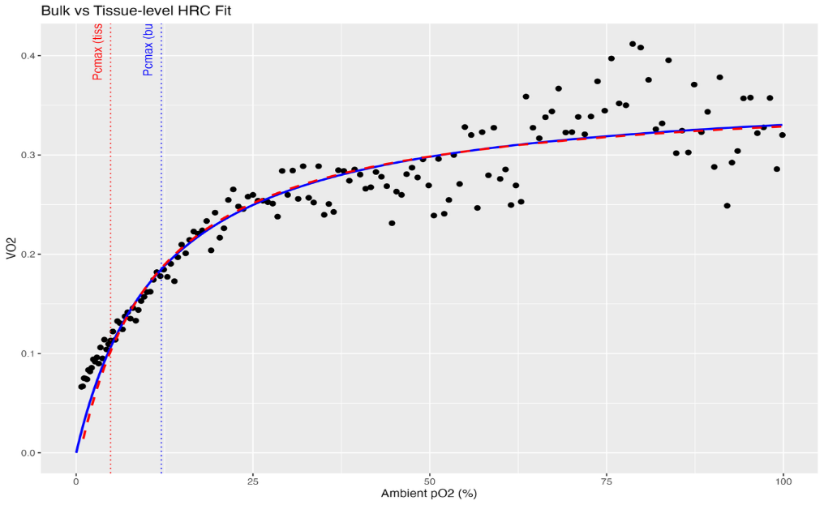
 | Original bulk HRC fits with Michaelis-Menten | Tpos | relative |  | Re-fit HRC analysis for tissue-level | Tpos | Tissue O2
 |  | Rep 1 | 0.4955047 |  |  | Rep 1 | 0.7756597
 |  | Rep 2 | 0.4846866 |  |  | Rep 2 | 0.7534243
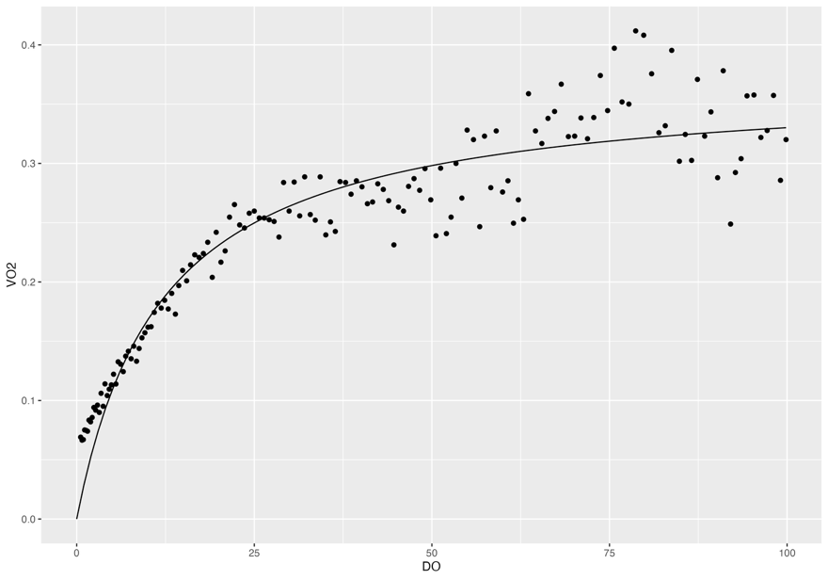
Rep 1 |  | Rep 3 | 0.2856719 |  |  | Rep 3 | 0.4788287
 |  | Rep 4 | 0.4535752 |  |  | Rep 4 | 0.7252118
 |  | Rep 5 | 0.1509685 |  |  | Rep 5 | 0.4525518
 |  | Rep 6 | 0.1837231 |  |  | Rep 6 | 0.4668846
 |  | Rep 7 | 0.08950901 |  |  | Rep 7 | 0.3368548

 |  | Average | 0.31 | relative |  | Average | 0.57 | relative
 |  | SD | 0.17 |  |  | SD | 0.18
 |  | SE | 0.06 |  |  | SE | 0.07

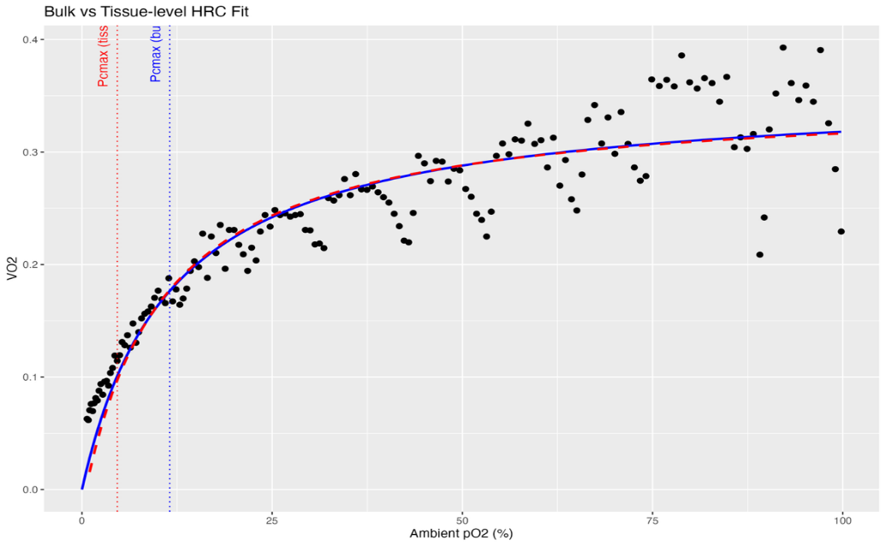

 |  | Pcmax | % air sat |  |  | Pcmax | TissueO2
Rep 2 |  | Rep 1 | 12.04269 |  |  | Rep 1 | 4.861891
 |  | Rep 2 | 11.53421 |  |  | Rep 2 | 4.6353
 |  | Rep 3 | 18.07887 |  |  | Rep 3 | 7.457629
 |  | Rep 4 | 14.50015 |  |  | Rep 4 | 5.85933
 |  | Rep 5 | 37.07177 |  |  | Rep 5 | 3.53893
 |  | Rep 6 | 33.57407 |  |  | Rep 6 | 5.300961

 |  | Average | 21.13 | % air sat |  | Average | 5.28 | % air sat
 |  | SD | 11.29 |  |  | SD | 1.32
 |  | SE | 4.61 |  |  | SE | 0.54

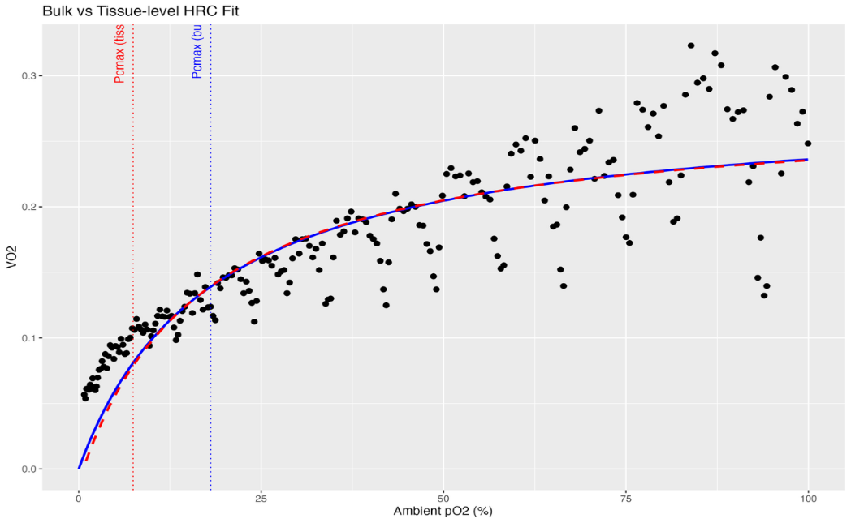
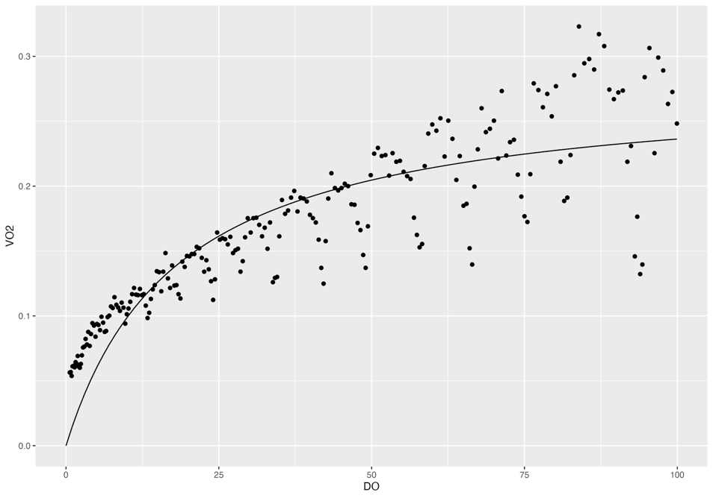
Rep 3

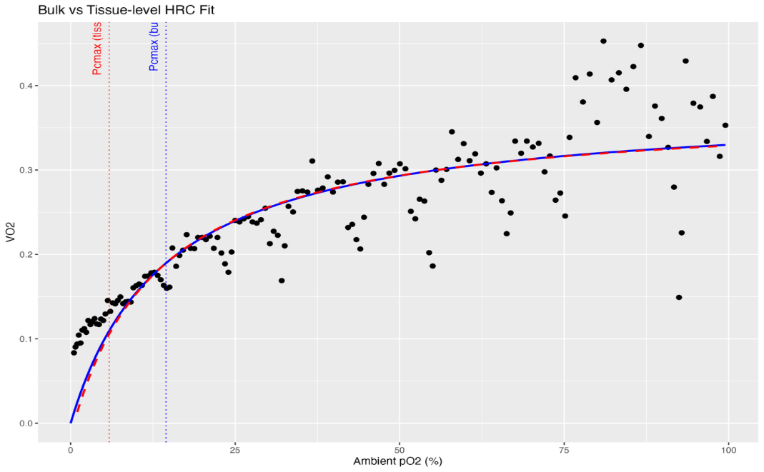
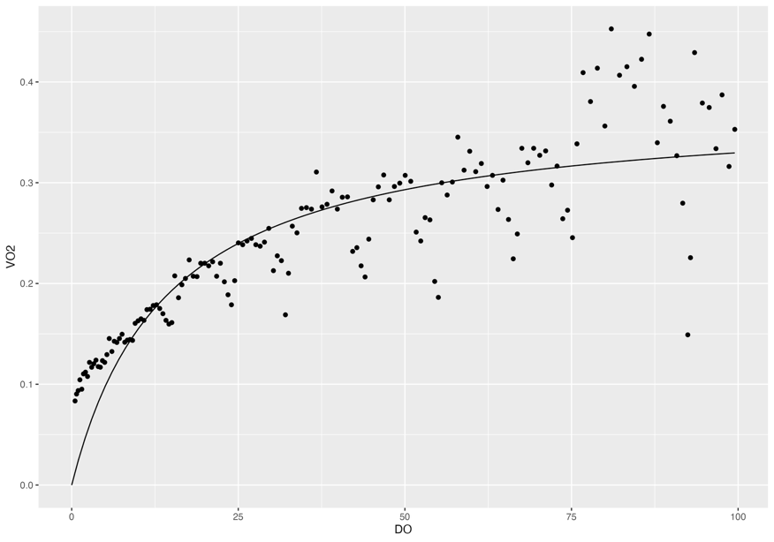

Rep 4

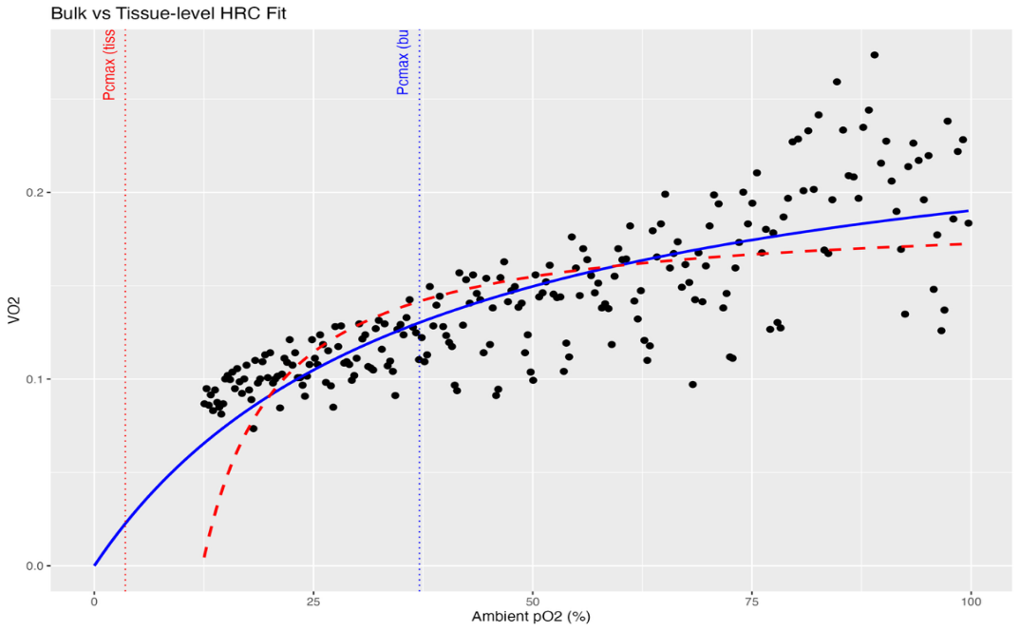
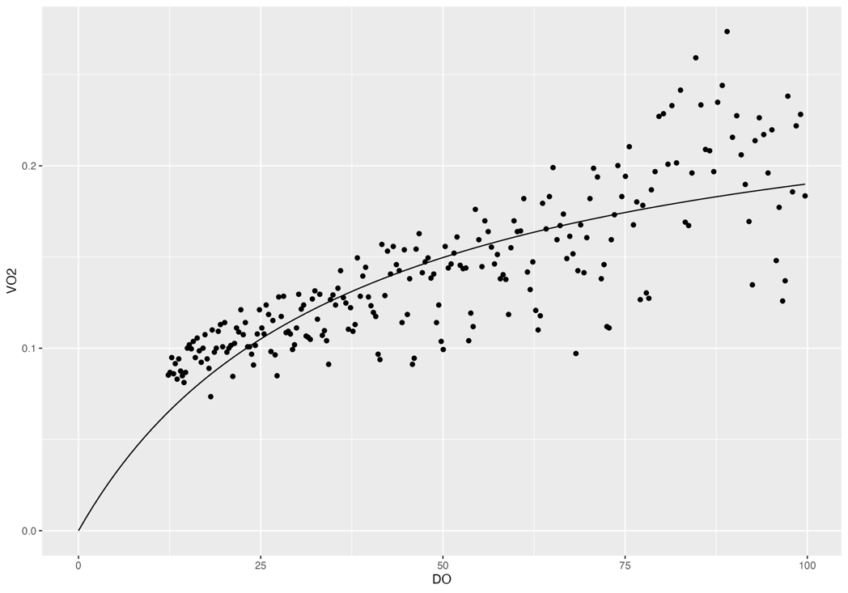
Rep 5

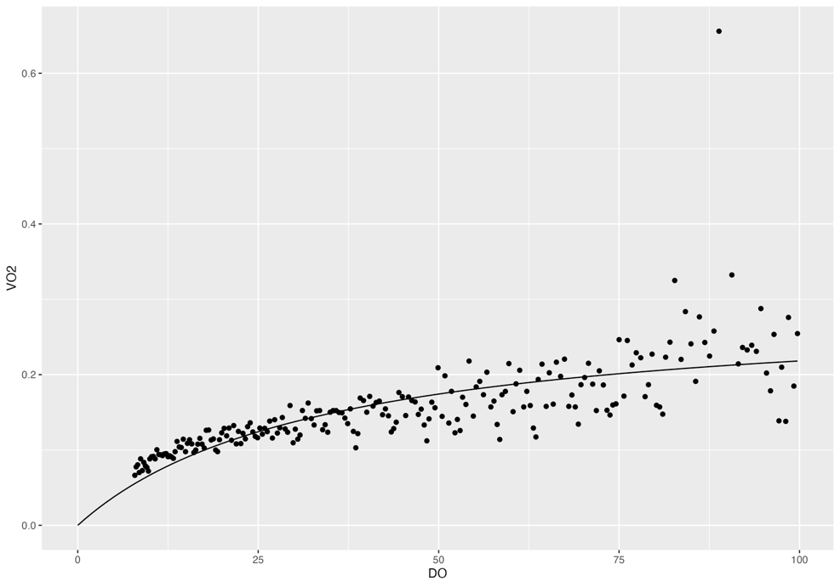
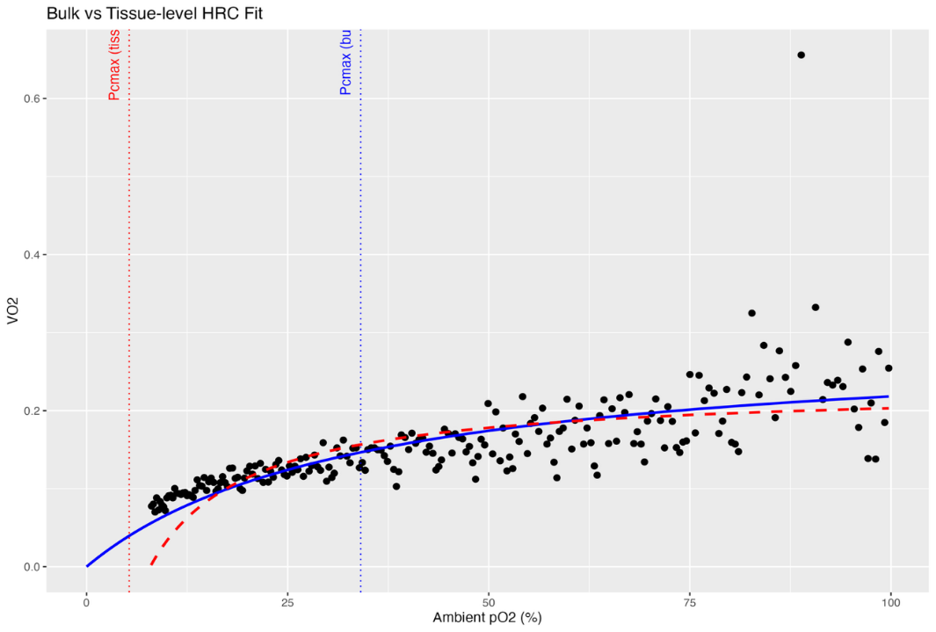
Rep 6

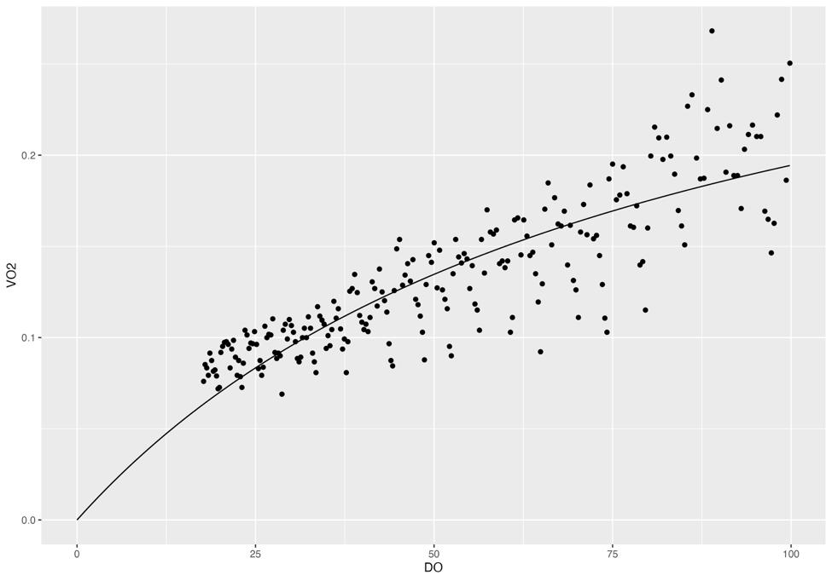
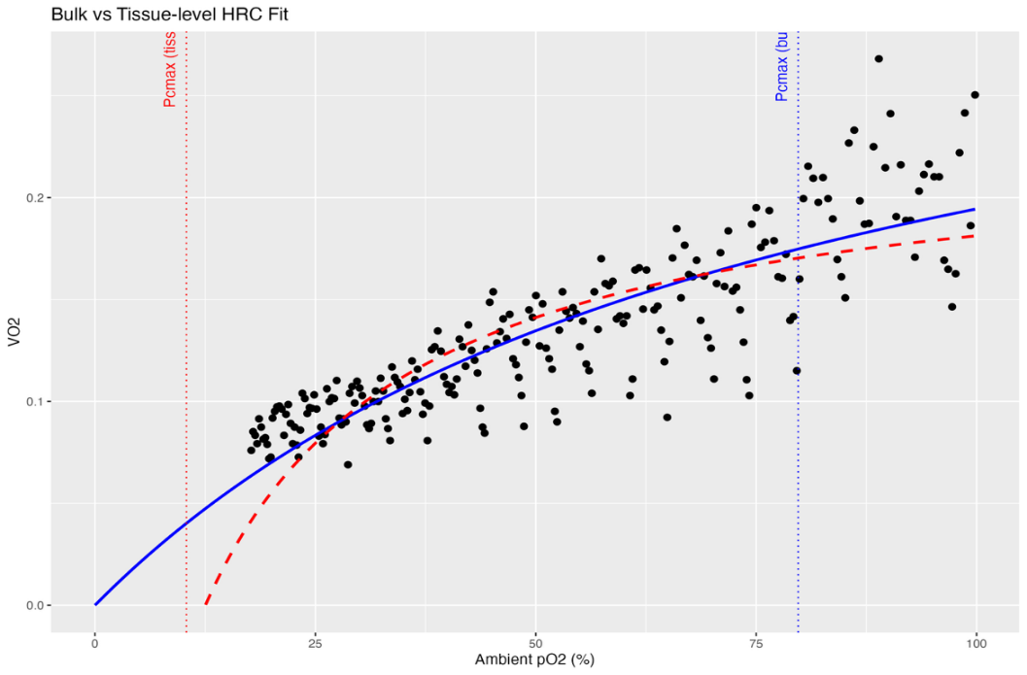
Rep 7

M.mollis
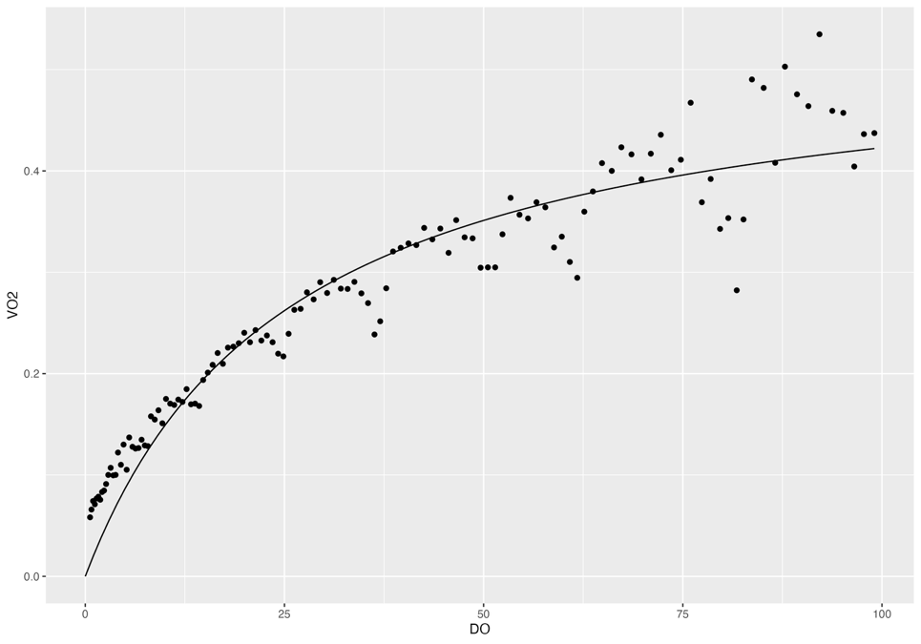
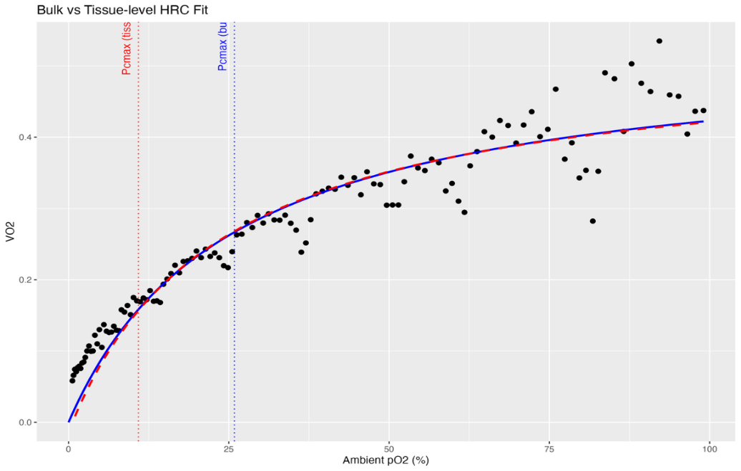
 | Original bulk HRC fits with Michaelis-Menten | Tpos | relative |  | Re-fit HRC analysis for tissue-level | Tpos | Tissue O2
 |  | Rep 1 | 0.4210468 |  |  | Rep 1 | 0.7448935
 |  | Rep 2 | 0.363054 |  |  | Rep 2 | 0.6532684
Rep 1 |  | Rep 3 | 0.4111897 |  |  | Rep 3 | 0.7484461
 |  | Rep 4 | 0.5635855 |  |  | Rep 4 | 0.899349
 |  | Rep 5 | 0.3881151 |  |  | Rep 5 | 0.6665331
 |  | Rep 6 | 0.386206 |  |  | Rep 6 | 0.6667966
 |  | Rep 7 | 0.4540571 |  |  | Rep 7 | 0.8027499

 |  | Average | 0.43 | relative |  | Average | 0.74 | relative
 |  | SD | 0.07 |  |  | SD | 0.09
 |  | SE | 0.03 |  |  | SE | 0.03

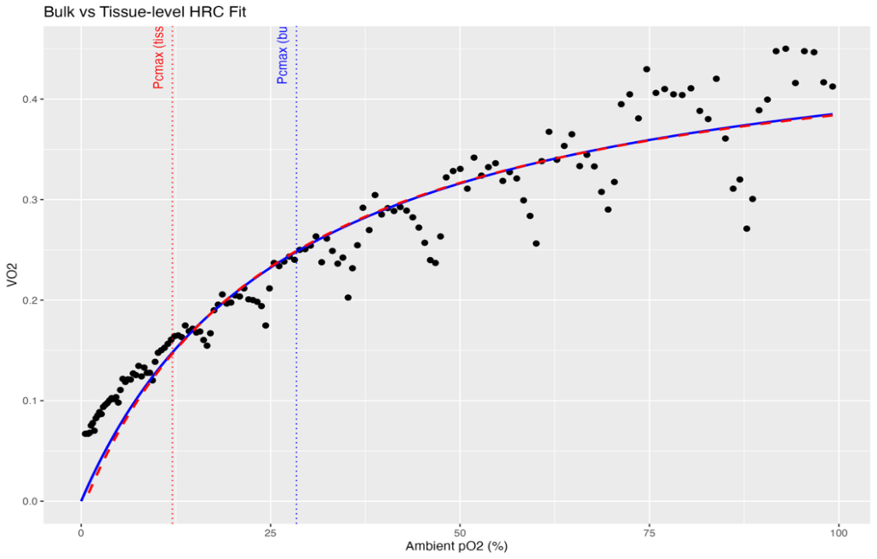
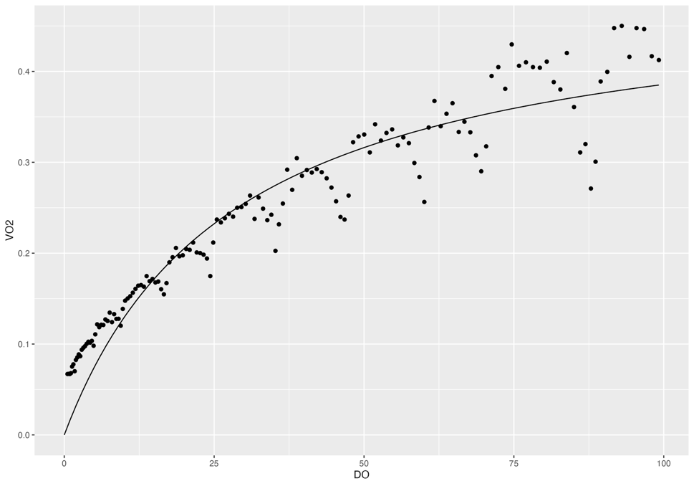
 |  | Pcmax | % air sat |  |  | Pcmax | TissueO2
Rep 2 |  | Rep 1 | 25.88137 |  |  | Rep 1 | 10.90546
 |  | Rep 2 | 28.40748 |  |  | Rep 2 | 12.0417
 |  | Rep 3 | 28.98339 |  |  | Rep 3 | 12.12016
 |  | Rep 4 | 14.52128 |  |  | Rep 4 | 6.040241
 |  | Rep 5 | 22.39259 |  |  | Rep 5 | 9.33709
 |  | Rep 6 | 23.58998 |  |  | Rep 6 | 9.960977
 |  | Rep 7 | 25.93781 |  |  | Rep 7 | 11.16336

 |  | Average | 24.24 | % air sat |  | Average | 10.22 | % air sat
 |  | SD | 4.89 |  |  | SD | 2.11
 |  | SE | 1.85 |  |  | SE | 0.80

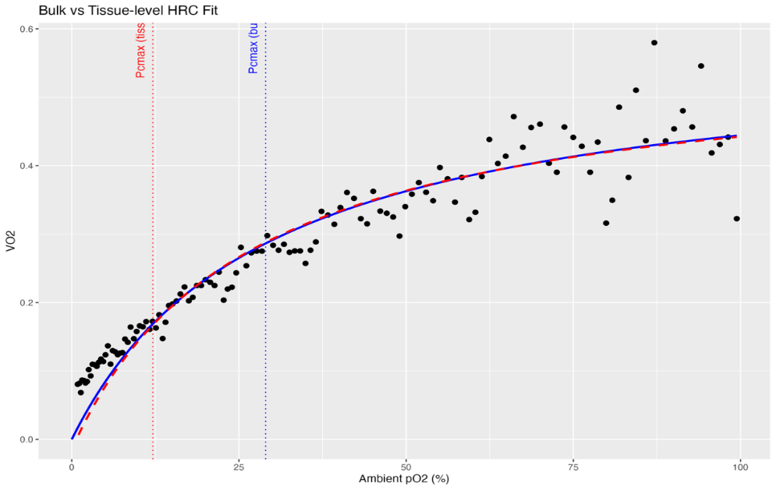
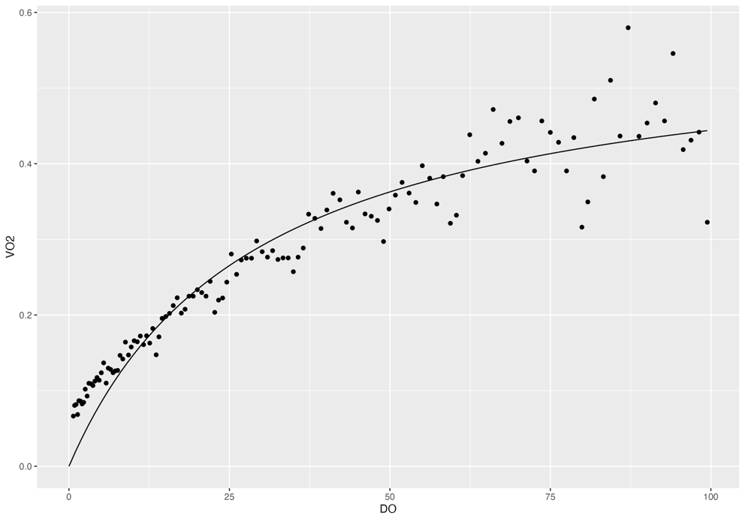
Rep 3

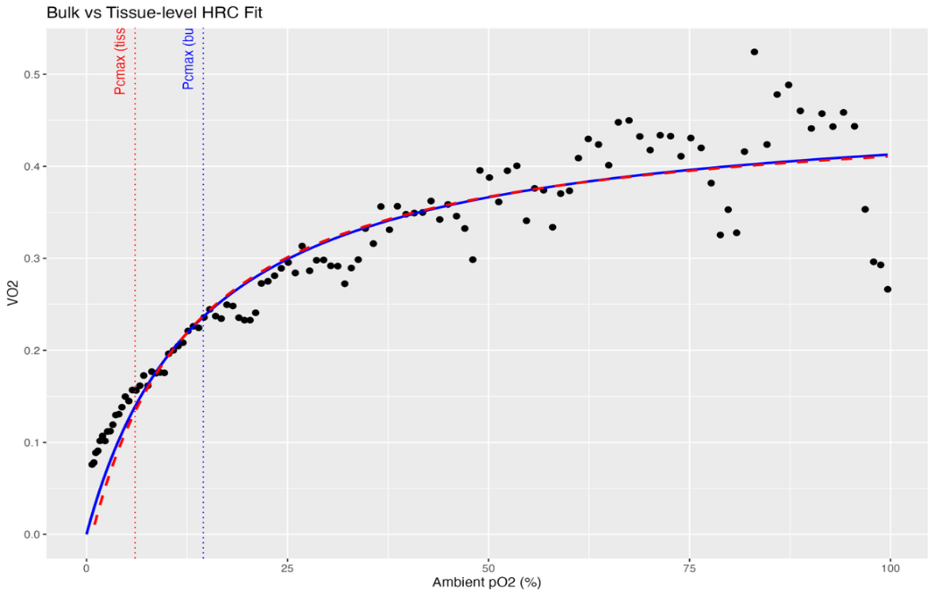
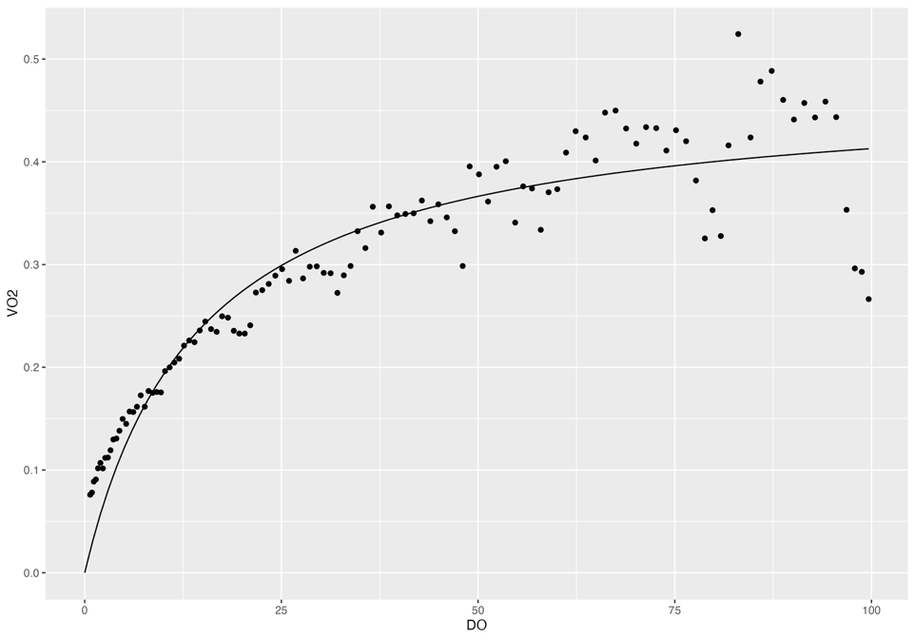
Rep 4

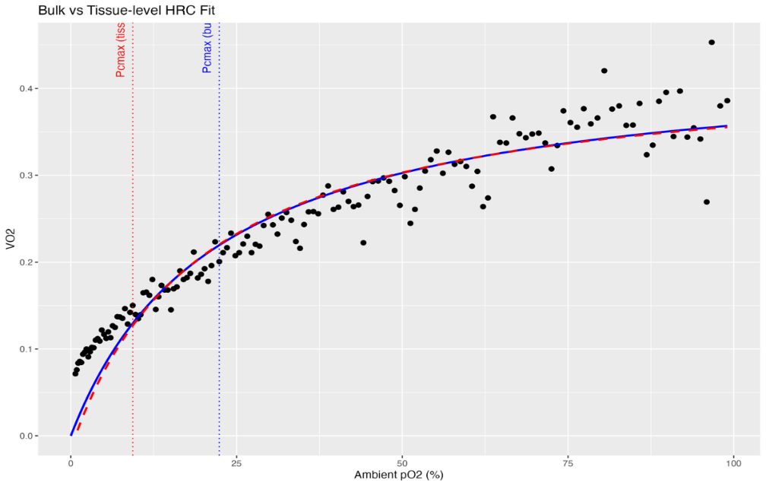

Rep 5



Rep 6



Rep 7

